Overview
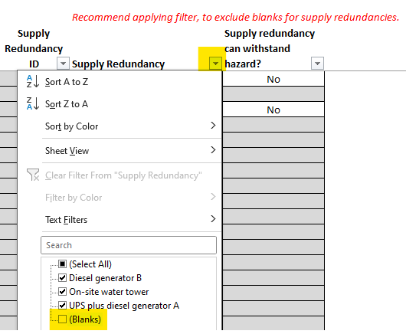
TRN Lite Input Data Template |  | PNNL-SA-195863
Version | 1.2

This spreadsheet may be used to collect all necessary inputs for a TRN Lite resilience assessment. After populating this spreadsheet, it can be uploaded to the TRN Lite's website, which will provide opportunity for further editing of inputs, and review of outputs, including risk drivers and suggested resilience solutions.

The green-tabbed data input sheets in this file should be filled out sequentially, from left to right when viewing the sheet tabs. It's not a problem to return to an earlier sheet (i.e., to the left of your current sheet) to add or revise entries, but it's important to then review later sheets for any resulting necessary revisions. Sheet-specific instructions are included on each sheet.

On some sheets (Detail-MapCL, Disrupt-MapSR) it may be useful to employ Excel's row-filtering capability, to only show rows relevant to your particular situation. Notes are included on those sheets that call attention to the specific columns to be filtered.*

Each sheet uses the following cell fill colors to differentiate input and non-input cells.
 | Input cell
 | Non-input cell

Below is a table conveying the relationship between the sheets and the various TRN Lite sections and sub-sections.

Sheet name | TRN Lite section | TRN Lite sub-section(s)
Site-Wide | Site-Wide Information | Site Details, Critical Functions, Facilities, Map to Critical Functions

Detail-CL | Detailed Information | Critical Loads

Detail-LR | Detailed Information | Load Redundancies

Detail-FR | Detailed Information | Function Restoration

Detail-SR | Detailed Information | Supply Redundancies

Detail-MapCL | Detailed Information | Map to Critical Loads

Disrupt-GH | Disruptions | Grouped Hazards

Disrupt-DIH | Disruptions | Dual-Impact Hazards

Disrupt-MapSR | Disruptions | Map to Supply Redundancies

Disrupt-LF | Disruptions | Load Failures

* Below is a screen capture of row-filtering on the Disrupt-MapSR sheet. To access the filtering menu on a relevant sheet, click the down arrow (highlighted in the image) in the column header. In this case it is being used to filter out rows without entries (i.e., having "blank" values) for redundant systems. Unchecking the "(Blanks)" entry, and then clicking "OK," filters out those "blank" records in that particular column. The filtering can easily be removed and re-applied, which may be necessary if additional inputs are added on prior sheets.

